Invocice
PIONEER SERVICES

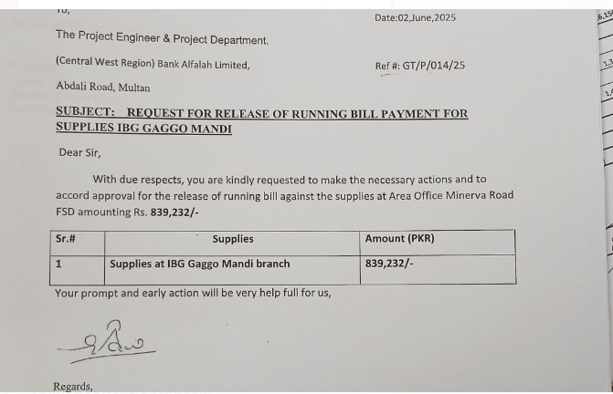
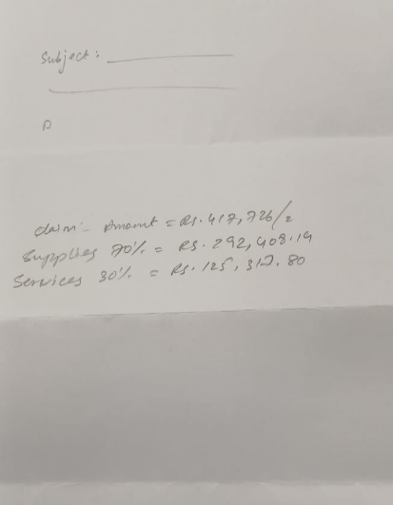
 |  | Date | 03 June 2025
 |  | Invoice # | 2
M/S Bank Al-Falah Limited Pakistan |  | NTN # | 4312149-7
NTN # 0698202-6

Attn: Mr. Ehtesham ul Haq

Invoice

Request for release of Payment against supplies at Bank Al Falah FTC 14th Floor
With due respect, you are kindly requested to make the necessary actions and to accord approval for the release of payment against supplies at Bank Al Falah Fakhri Trade Center 14th Floor

S.No | Description |  | Total Amount

A | Claimed amount |  | 417,726

B | Material (Supply) 70% |  | 292,408.20

 |  |  | 16,082
 |  |  | 276,326
for PIONEER SERVICES |  |  | 12,390.18
 |  |  | 263,935.57
 |  |  | 372,199.25

 | Tax on material 5.5% & on lab 11% | 16,082 | #REF! | #REF!
 | Less 5/118% on material amount due to Unregistered | 12,390 |  | #REF!
 | 20% SRB on Lab |  | #REF! | #REF!

 |  |  | #REF!

